Dala Sales & Deliveries
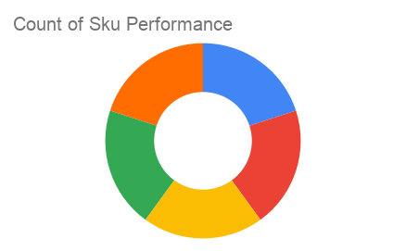
 | Total Invoices Delivered | 4.00 | Sku Performance | Units | Value
 | Unique Locations Supplied | 4.00 | 350ml Orisirisi Wallnut with Ginger Drink (12x) | 0.50 | 10,800.00
 | Total Value of orders | 82,800.00 | 500ml Orisirisi Tiger Nut Drink (12x) | 1.00 | 27,600.00
 |  |  | 500ml Orisirisi Zobo with Date Drink (12x) | 1.00 | 22,800.00
 |  |  | 350ml Orisirisi Wallnut Drink (12x) | 1.00 | 21,600.00
 |  |  | 500ml Orisirisi Zobo Drink (12x) | 0.00 | 0.00
 |  |  |  | 0.00 | 0.00
 |  |  |  | 0.00 | 0.00
 |  |  |  | 0.00 | 0.00
 |  |  |  | 0.00 | 0.00
 |  |  |  | 0.00 | 0.00
2025-04-11 |  |  |  | 0.00 | 0.00
 |  |  |  | 0.00 | 0.00

